The model
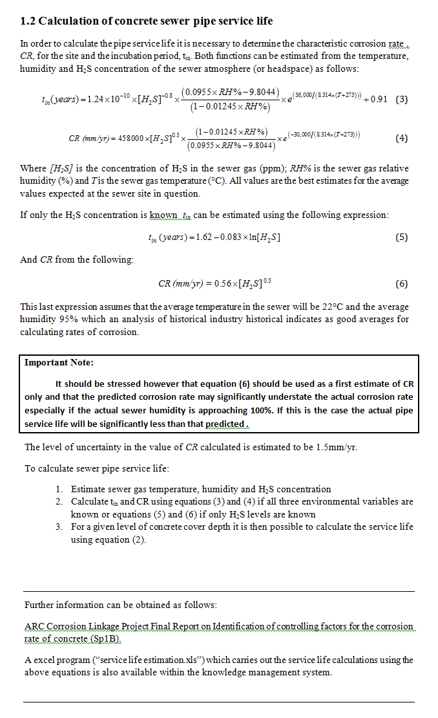
Calculation of tin

Const a= | 1.24E-10 | [H2S] = | the concentration of H2S in the sewer gas (ppm)
[H2S] exponent n= | 0.8 | T = | the sewer gas temperature (C)
[RH] exponent A= | 0.01245 | RH = | the relative humidity of the sewer gas (%)
[RH] exponent b= | 0.0955
[RH] exponent C= | 9.8044
T exponent Ea= | 56000
R= | 8.314
B= | 0.90833333333

Calculation of CR
 |  |  | For example
Const a= | 458,000.00
[H2S] exponent n= | 0.5 |  |  | 3 | ppm
[RH] exponent A= | 0.01245 |  |  | 20 | °C
[RH] exponent b= | 0.0955 |  |  | 100 | %
[RH] exponent C= | 9.8044
T exponent Ea= | 3.00E+04 |  | Tin = | 1.4156491339 | years
R= | 8.314 |  | CR = | 3.45 | mm/yr

Service life prediction excel
Cumulative Losses
UON/SCORe



 |  |  | Service Life prediction
 |  |  |  |  |  |  |  |  | tin constants |  |  | CR constants

 |  |  |  |  |  |  |  |  | Const a= | 1.24E-10 |  | Const a= | 458,000
 |  |  |  |  |  |  |  |  | [H2S] exponent n= | 0.8 |  | [H2S] exponent n= | 0.5
 |  |  |  |  |  |  |  |  | [RH] exponent A= | 0.01245 |  | [RH] exponent A= | 0.01245
 |  |  |  |  |  |  |  |  | [RH] exponent b= | 0.0955 |  | [RH] exponent b= | 0.0955
PIPE DETAILS |  |  |  |  |  |  |  |  | [RH] exponent C= | 9.8044 |  | [RH] exponent C= | 9.8044
 |  |  |  |  | To operate: |  |  |  | T exponent Ea= | 56000 |  | T exponent Ea= | 30000
DATE OF PIPE INSTALLATION | 2014 | (year) |  |  | 1. Fill in yellow cells |  |  |  | R= | 8.314 |  | R= | 8.314
 |  |  |  |  | 2. click on replot data button |  |  |  | B= | 0.90833333333
DEPTH OF CONCRETE COVER OVER REINFORCING | 75 | (mm)

ENVIRONMENTAL CONDITIONS |  |  |  |  |  |  |  |  | H2S = | 3 | ppm
 |  |  |  |  |  |  |  |  | T = | 20 | °C
Average H2S concenrtation in sewer gas | 3 | (ppm) |  |  |  |  |  |  | RH = | 100 | %

Average sewer gas temperature | 20 | (°C) leave blank if unknown (assumed to be 22°C) |  |  |  |  |  |  |  | H2S = 3 ppm
 |  |  |  |  |  |  |  |  |  | T = 20 °C
Average sewer humidity | 100 | (%) leave blank if unknown (assumed to be 95%) |  |  |  |  |  |  |  | RH = 100 %

CALCULATIONS AND RESULTS

Estimated time to start of corrosion, tin : | 1.4 | years

Rate of corrosion (CR) afer 1.4 years (mm/yr): | 3.45 | mm/yr | (range | 1.9 | to | 4.9 | mm/yr )

Total service life : | 23.2 | years | (range | 16.6 | to | 40 | years )

Remaining cover
Expected end date of pipe service life : | 2037 |  | (range | 2031 | to | 2054 | )

Data for plot

 | Losses |  |  |  | Remaining Cover
 | Average | Min | max | Range | Average | Min | max | Range
Date | (mm) | (mm) | (mm) | (mm) | (mm) | (mm) | (mm) | (mm)

Low corrosion guide Const T
Temperature = 20 °C
85 | 49.1
85.5 | 37.9
86 | 29.7
86.5 | 23.6
87 | 19.0
87.5 | 15.4
88 | 12.6
88.5 | 10.3
89 | 8.5
89.5 | 7.1
90 | 5.9
90.5 | 4.9
91 | 4.1
91.5 | 3.4
92 | 2.9
92.5 | 2.4
93 | 2.0
93.5 | 1.7
94 | 1.4
94.5 | 1.1
95 | 0.9
95.5 | 0.8
96 | 0.6
96.5 | 0.5
97 | 0.4
97.5 | 0.3
98 | 0.2
98.5 | 0.2
99 | 0.1
99.5 | 0.1
100 | 0.1

UON/SCORe
 | Low corrosion conditions guide |  |  |  | Biotic constant
 |  |  |  | Const a= | 458,000.00
 |  |  |  | [H2S] exponent n= | 0.5
 |  |  |  | [RH] exponent A= | 0.01245
 |  |  |  | [RH] exponent b= | 0.0955
 |  |  |  | [RH] exponent C= | 9.8044
 |  |  |  | T exponent Ea= | 3.00E+04
 |  |  |  | R= | 8.314
To operate:
1. Fill in yellow cells

ENVIRONMENTAL CONDITIONS

Sewer gas temperature | 20 | (°C)

maximum allowed corrosion rate = | 0.5 | (mm/yr)

Temperature = 20 °C
Max Corrosion rate = 0.5 mm/yr

Relative Humidity | Temperature | H2S (ppm) | Rate of corrosion
85 | 20 | 49.1 | 0.5
85.5 | 20 | 37.9 | 0.5
86 | 20 | 29.7 | 0.5
86.5 | 20 | 23.6 | 0.5
87 | 20 | 19.0 | 0.5
87.5 | 20 | 15.4 | 0.5
88 | 20 | 12.6 | 0.5
88.5 | 20 | 10.3 | 0.5
89 | 20 | 8.5 | 0.5
89.5 | 20 | 7.1 | 0.5
90 | 20 | 5.9 | 0.5
90.5 | 20 | 4.9 | 0.5
91 | 20 | 4.1 | 0.5
91.5 | 20 | 3.4 | 0.5
92 | 20 | 2.9 | 0.5
92.5 | 20 | 2.4 | 0.5
93 | 20 | 2.0 | 0.5
93.5 | 20 | 1.7 | 0.5
94 | 20 | 1.4 | 0.5
94.5 | 20 | 1.1 | 0.5
95 | 20 | 0.9 | 0.5
95.5 | 20 | 0.8 | 0.5
96 | 20 | 0.6 | 0.5
96.5 | 20 | 0.5 | 0.5
97 | 20 | 0.4 | 0.5
97.5 | 20 | 0.3 | 0.5
98 | 20 | 0.2 | 0.5
98.5 | 20 | 0.2 | 0.5
99 | 20 | 0.1 | 0.5
99.5 | 20 | 0.1 | 0.5
100 | 20 | 0.1 | 0.5

Low corrosion guide Const RH
Relative humidity = 95 %

UON/SCORe
 |  |  |  |  | Biotic constant
 |  |  |  | Const a= | 458,000.00
 |  |  |  | [H2S] exponent n= | 0.5
 |  |  |  | [RH] exponent A= | 0.01245
 |  |  |  | [RH] exponent b= | 0.0955
 |  |  |  | [RH] exponent C= | 9.8044
 |  |  |  | T exponent Ea= | 3.00E+04
 |  |  |  | R= | 8.314
To operate:
1. Fill in yellow cells

ENVIRONMENTAL CONDITIONS

Sewer gas humidity | 95 | (%)

maximum allowed corrosion rate = | 1 | (mm/yr)

Relative humidity = 95 %
Max Corrosion rate = 1 mm/yr

Relative Humidity | Temperature | H2S (ppm) | Rate of corrosion
95 | 15.0 | 5.8 | 1.0
95 | 15.5 | 5.5 | 1.0
95 | 16.0 | 5.3 | 1.0
95 | 16.5 | 5.1 | 1.0
95 | 17.0 | 4.8 | 1.0
95 | 17.5 | 4.6 | 1.0
95 | 18.0 | 4.4 | 1.0
95 | 18.5 | 4.3 | 1.0
95 | 19.0 | 4.1 | 1.0
95 | 19.5 | 3.9 | 1.0
95 | 20.0 | 3.8 | 1.0
95 | 20.5 | 3.6 | 1.0
95 | 21.0 | 3.5 | 1.0
95 | 21.5 | 3.3 | 1.0
95 | 22.0 | 3.2 | 1.0
95 | 22.5 | 3.1 | 1.0
95 | 23.0 | 2.9 | 1.0
95 | 23.5 | 2.8 | 1.0
95 | 24.0 | 2.7 | 1.0
95 | 24.5 | 2.6 | 1.0
95 | 25.0 | 2.5 | 1.0
95 | 25.5 | 2.4 | 1.0
95 | 26.0 | 2.3 | 1.0
95 | 26.5 | 2.2 | 1.0
95 | 27.0 | 2.1 | 1.0
95 | 27.5 | 2.0 | 1.0
95 | 28.0 | 2.0 | 1.0
95 | 28.5 | 1.9 | 1.0
95 | 29.0 | 1.8 | 1.0
95 | 29.5 | 1.7 | 1.0
95 | 30.0 | 1.7 | 1.0

Low corrosion guide Const H2S
H2S = 10 ppm

UON/SCORe
 |  |  |  |  | Biotic constant
 |  |  |  | Const a= | 458,000.00
 |  |  |  | [H2S] exponent n= | 0.5
 |  |  |  | [RH] exponent A= | 0.01245
 |  |  |  | [RH] exponent b= | 0.0955
 |  |  |  | [RH] exponent C= | 9.8044
 |  |  |  | T exponent Ea= | 3.00E+04
 |  |  |  | R= | 8.314
To operate:
1. Fill in yellow cells

ENVIRONMENTAL CONDITIONS

Sewer gas H2S concentration | 10 | (ppm)

maximum allowed corrosion rate = | 1 | (mm/yr)

H2S = 10 ppm
Max Corrosion rate = 1 mm/yr

Humidity | Temperature | H2S | Rate of corrosion
85 | 60.3 | 10 | 1.0
85.5 | 56.4 | 10 | 1.0
86 | 52.8 | 10 | 1.0
86.5 | 49.4 | 10 | 1.0
87 | 46.3 | 10 | 1.0
87.5 | 43.4 | 10 | 1.0
88 | 40.6 | 10 | 1.0
88.5 | 37.9 | 10 | 1.0
89 | 35.4 | 10 | 1.0
89.5 | 33.0 | 10 | 1.0
90 | 30.6 | 10 | 1.0
90.5 | 28.3 | 10 | 1.0
91 | 26.0 | 10 | 1.0
91.5 | 23.8 | 10 | 1.0
92 | 21.7 | 10 | 1.0
92.5 | 19.5 | 10 | 1.0
93 | 17.4 | 10 | 1.0
93.5 | 15.2 | 10 | 1.0
94 | 13.1 | 10 | 1.0
94.5 | 11.0 | 10 | 1.0
95 | 8.8 | 10 | 1.0
95.5 | 6.6 | 10 | 1.0
96 | 4.3 | 10 | 1.0
96.5 | 2.0 | 10 | 1.0
97 | -0.4 | 10 | 1.0
97.5 | -2.9 | 10 | 1.0
98 | -5.5 | 10 | 1.0
98.5 | -8.3 | 10 | 1.0
99 | -11.2 | 10 | 1.0
99.5 | -14.5 | 10 | 1.0
100 | -18.1 | 10 | 1.0

